Overview-youth justice system
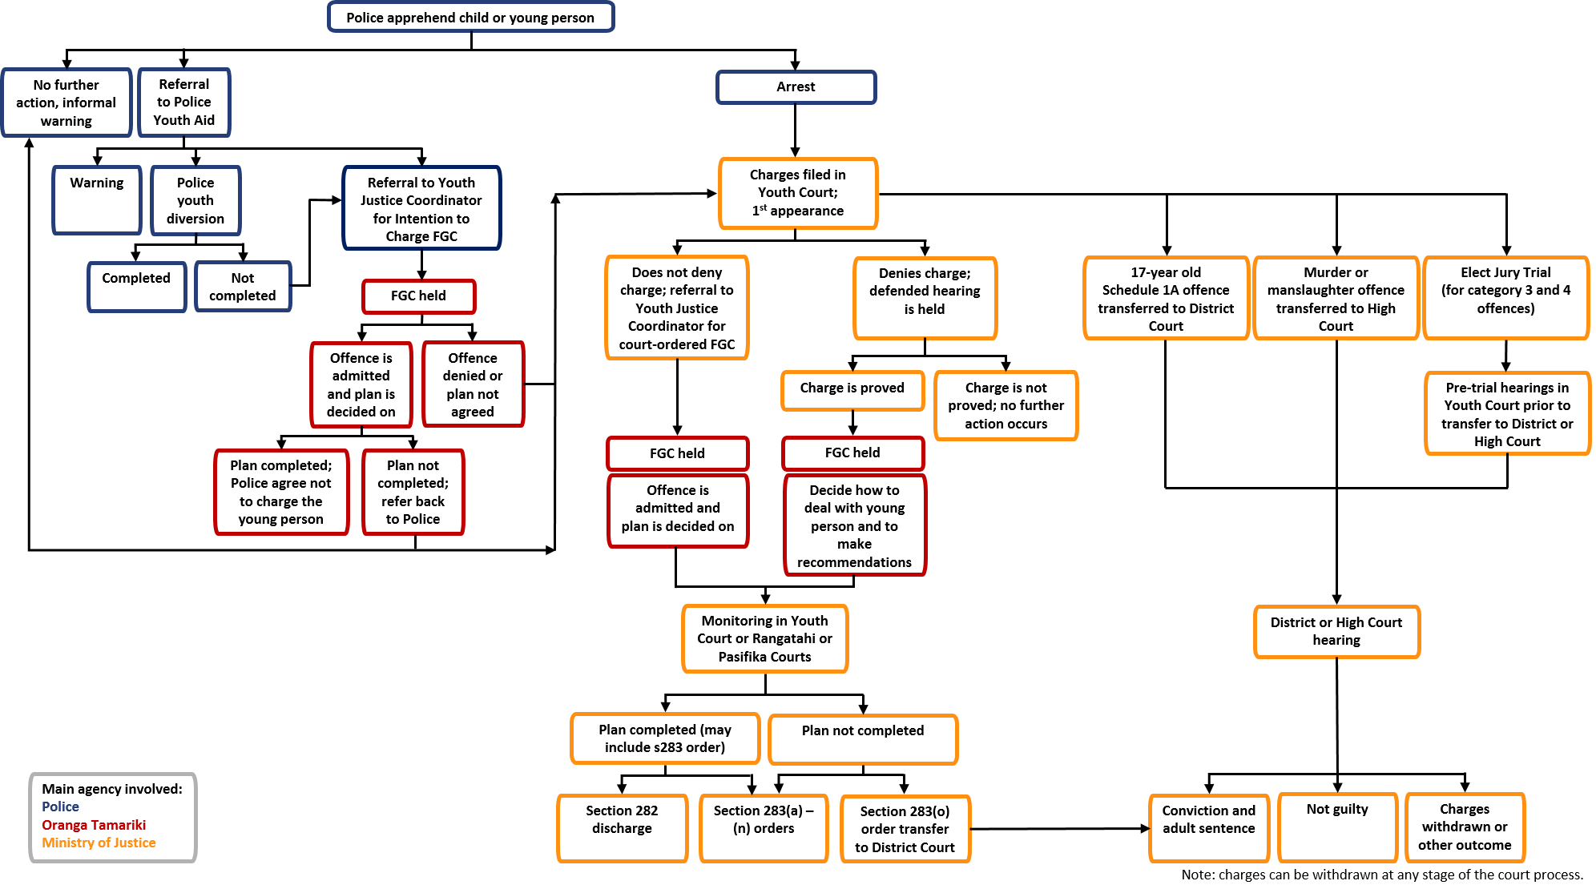
Overview of the Youth Justice system
Back to definitions and data notes
Back to contents page

Community-based diversion process | Most children and young people who get into trouble with the law don't go to court; Police deal with their behaviour in the community. This could mean getting a Police warning or being referred to Police Youth Aid for what’s called ‘Alternative Action’. Alternative Action means the young person, their family and the Police decide on a plan to deal with the offending. An Alternative Action plan can include things like: • paying for damage caused • doing community work • going to counselling • writing an apology letter • agreeing to attend school every day, and • doing an assignment about the effects of their offending. Children and young people dealt with by Police don’t get a criminal ‘record’ or conviction but Police keep information about the young person in case they reoffend.
Family Group Conferences (FGCs) are a key feature of the youth justice system | A family group conference happens in more serious circumstances where the Police can’t deal with the offending in the community. A family group conference is a meeting for a child or young person, their family or whānau and the victim. The police and a youth advocate (a lawyer for the child or young person) also come to the conference. The conference gets everyone together to talk about what the child or young person did, how it can be put right and what can be done to stop reoffending. Sometimes a conference will happen before the Police decide whether to ‘charge’ a child/young person with a crime (Intention to Charge Family Group Conference). If the child/young person is charged this means they have to go to court. The Family Group Conference will help the Police to decide what should happen. Most of the time, the conference happens after the Police have ‘charged’ the child/young person (court ordered Family Group Conference). This means the child/young person will first go to court for their ‘first appearance’ (their first time in court), and the family group conference will happen soon afterwards. By law, the conference has to happen very soon after the child/young person has gone to court. During the conference, a plan is made for the child or young person. If the young person was ‘charged’ before or after the family group conference, they’ll need to go back to court a Youth Court Judge to approve the plan. Once the plan is approved, the Judge will give the child or young person enough time to complete the plan. They’ll then arrange for the young person to return to court to make sure it has been carried out.
Possible outcomes of the court appearance | Children and young people who appear in court most often receive a section 282 discharge at the end of the process. In most cases, this means that the child/young person has admitted their offending and successfully completed the set of interventions and programmes (such as drug and alcohol counselling, community work, reparations, and curfews) that were agreed at their family group conference. A section 282 discharge signals the end of the process and it is as if the child or young person was never charged. If a child or young person commits a more serious offence or does not stick to their family group conference plan, a section 283 order is made. This is used when children/young people admit their offending, or the judge determines that the charges are proven and are serious enough to warrant an order under section 283 of the Oranga Tamariki Act 1989. Children and young people who have a section 283 outcome are given an order to complete. Those who are convicted (in the Youth, District or High Court) are given a sentence. The judge can order a child or young person to: • complete a family group conference plan • return or give up property • pay money to the victim or pay a fine • be disqualified from driving • do community work • do a parenting education, drug, alcohol or mentoring programme • be supervised with various conditions, including electronic monitoring of a curfew and judicial monitoring, either in the community or a residential facility. In some cases, where the offending is very serious, the judge might decide the child or young person’s case should be transferred to the District or High Court for sentencing. The judge may also order the parent or guardian of a child or young person to undertake a parenting education programme.
17-year olds | From 1 July 2019, 17-year olds also became part of the youth justice system. When 17-year olds are charged with an offence they will first appear in the Youth Court. If the offence is one of the serious offences specified in Schedule 1A Oranga Tamariki Act 1989 they will automatically be transferred to the District or High Court.

Figure 1: Pathways through the youth justice process in New Zealand
Note: This is a simplified representation of the pathways a young person can follow through the youth justice process. Some pathways have been excluded.

