Contents
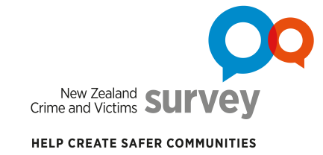
Data tables for NZCVS Key findings – Cycle 4 (2020/21) Section 7: Reporting to the Police

Contents
i | About the data tables |  | About the survey, interpreting statistics, symbol notation and links for further information.
ii | Terms and definitions |  | Selected terms and defintions.
iii | Where to find data tables for report tables and figures |  | A table listing tables and figures from Section 7 of the report, and where to find the corresponding data tables in this document.
Data tables |  | Sheet | Description | Relevant report1 section(s)
1 | Reporting to police | 7.1 | Reporting to police – Estimates | 7.1, 7.2, 7.3 and 7.4 (see Report)
 |  | 7.1a | Reporting to police – Sampling error
 |  | 7.1b | Reporting to police – Pooled data (Cycle 1–Cycle 4) – Estimates and sampling error
2 | Non-reporting to police | 7.2 | Non-reporting to police – Estimates
 |  | 7.2a | Non-reporting to police – Sampling error
 |  | 7.2b | Non-reporting to police – Pooled data (Cycle 1–Cycle 4) – Estimates and sampling error
3 | Reporting to police by demographic factors | 7.3 | Reporting to police by demographic factors – Pooled data (Cycle 1–Cycle 4) – Estimates and sampling error
4 | Non-reporting to police by demographic factors | 7.4 | Non-reporting to police by demographic factors – Pooled data (Cycle 1–Cycle 4) – Estimates and sampling error
5 | Reasons for not reporting to police - Estimates | 7.5 | Reasons for not reporting to police – Estimates | 7.5 (see Report)
 |  | 7.5a | Reasons for not reporting to police – Sampling error
 |  | 7.5b | Reasons for not reporting to police – Pooled data (Cycle 1–Cycle 4) – Estimates and sampling error
1 New Zealand Crime and Victims Survey (NZCVS) Key findings – Cycle 4 (2020/21) (available at Resources and results)

Enquiries
Contact us for further information about these and related statistics

Suggested citation
Ministry of Justice. 2022. New Zealand Crime and Victims Survey. Key findings Cycle 4. Section 7: Reporting to the Police. [Data file]. Wellington: Ministry of Justice.

Crown copyright © 2022
This work is licensed under the Creative Commons Attribution 4.0 New Zealand licence. You are free to copy, distribute, and adapt the work, as long as you attribute the work to New Zealand Ministry of Justice and abide by the other licence terms. Please note you may not use any departmental or governmental emblem, logo, or coat of arms in any way that infringes any provision of the Flags, Emblems, and Names Protection Act 1981. Use the wording “New Zealand Ministry of Justice” in your attribution, not the New Zealand Ministry of Justice logo.

